QUOT.
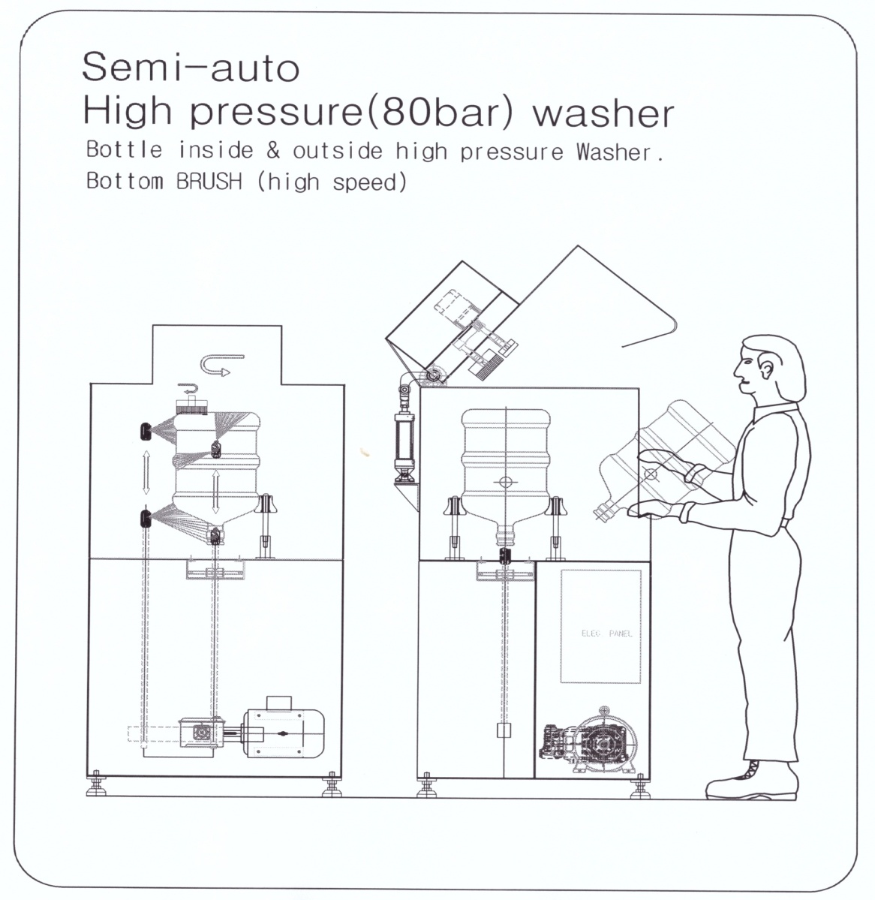
(In Diamond)
M/S LG Electronics India Pvt.,Ltd.
Plot No51. Udyog Vihar
Surajpur- Kasna Rd,
Greater Noida(U.P) India
Tel)+91-0120-2560 900/940
Fax)+91-0120-2560 902
MR.JITENDER SADANA
KOREA. H&CSYSTEM CO.LTD
(In Diamond)
M/S LG Electronics India Pvt.,Ltd.
Plot No51. Udyog Vihar
Surajpur- Kasna Rd,
Greater Noida(U.P) India
Tel)+91-0120-2560 900/940
Fax)+91-0120-2560 902
MR.JITENDER SADANA
KOREA. H&CSYSTEM CO.LTD
BMI-4R Co.,Ltd.
BMI-4R PACKAGING MACHINERY Ltd.
<Korea office&factory Address>
79, Sicheong-ro 677beon-gil, Yuram-ri, Paltan-myeon,Hwaseong-si, Gyeonggi-do,Korea 18524
Tel : +82-31-366-4735 Mobile : +82-10-7345-0928
<China factory Address>
Building 21,Shichong minying industrial park,Hengli Town,Dongguan city,Guangdong Province,China
Email : bmikorea@bottlewasher.kr
website : www.bottlewasher.kr
- PARTIAL SHIPMENT : N/A
-"OGL EXPORT IMPORT POLICY 2002-2007"
- 90% OF TOTAL VALUE BY L/C
- REST 10% AFTER TRIAL BY T/T
- FOB PUSAN KOREA INCOTERMS 2000.

Quotation
Shipper/Exporter/Seller |  |  | No. & date of invoice
BMI4R CO.,Ltd Address (18524) 79, Sicheong-ro 677 beon-gil, Yuram-ri, Paltan-myeon, Hwaseong-si, Gyeonggi-do, Korea Tel .+82-10-7557-5630

Consignee (Delivery address)/Buyer |  |  | L/C issuing bank |  | N/A

 |  |  | * Remarks
 |  |  | FOB Price
Notify party |  |  | PAYMENT:
Same as Consignee / Buyer |  |  | Delivery period : 60 days
Port of loading |  | Final destination
Incheon, Korea
Carrier |  | Sailing on or about
Ship |  | 40 DAYS
No | Description of Goods | Model | Q'TY |  | U/price | T/PRICE
1 | High Pressure 5 Gallon Bottle washer | SGY-200 |  | 1 | US$18,600 | US$18,600
* In and out side bottle washing with high pressure washer (Upto 80 bar - Adjustable)
Configuration The metal frame of the whole device is made by stainless steel SUS304 ( 1040 *1680*796 ) Sensor: AUTONICS KOREA Pneumatic components:TPC Motor: Melegari Italy or SPG Korea Pump: Made in Italy (INTER PUMP OR UDOR) Washing Time: 10-12 Sec/B Adjustable Motor Output 10 HP Voltage 380~450V/220V, 50/60HZ

 |  |  |  |  |  | US$18,600

Others

 |  |  | SIGNED BY
 |  |  | President
 |  |  | Lee,Sangkoo

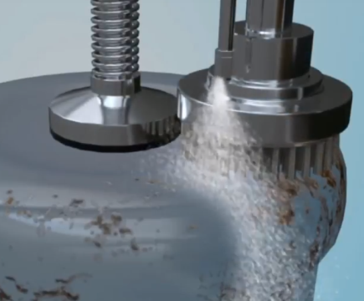

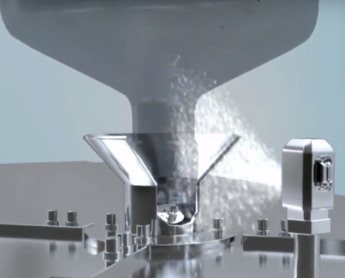
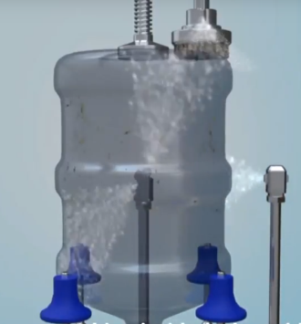
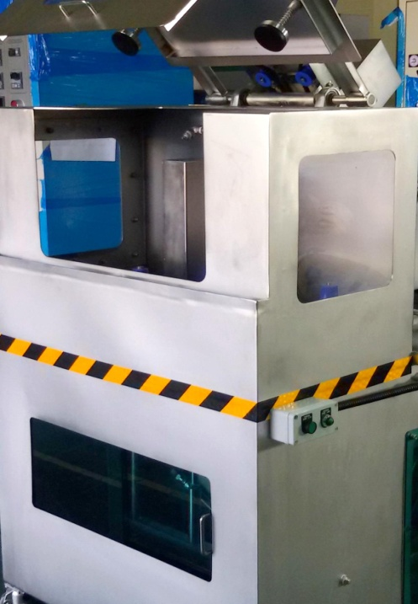

 |  | Testing Videos Link
 |  | https://www.youtube.com/watch?v=5-h7_SJ14Kc
 |  | https://www.youtube.com/watch?v=-56aEdwjBzQ
 |  | https://www.youtube.com/watch?v=L097ltF64gM
 |  | https://www.youtube.com/watch?v=JhhUdk-HufQ
 |  | https://www.youtube.com/watch?v=Rubtz5y5JlQ

